Financial Needs Analysis
CLIENT A

First Name | Last Name | Date of Birth | Married or Equivalent |  | Phone | Sex
 |  |  | YES |  |  | MALE

CLIENT B

First Name | Last Name | Date of Birth |  |  | Phone | Sex

DEPENDENTS

First Name | Last Name | Date of Birth | Sex

First Name | Last Name | Date of Birth | Sex

First Name | Last Name | Date of Birth | Sex

First Name | Last Name | Date of Birth | Sex

First Name | Last Name | Date of Birth | Sex

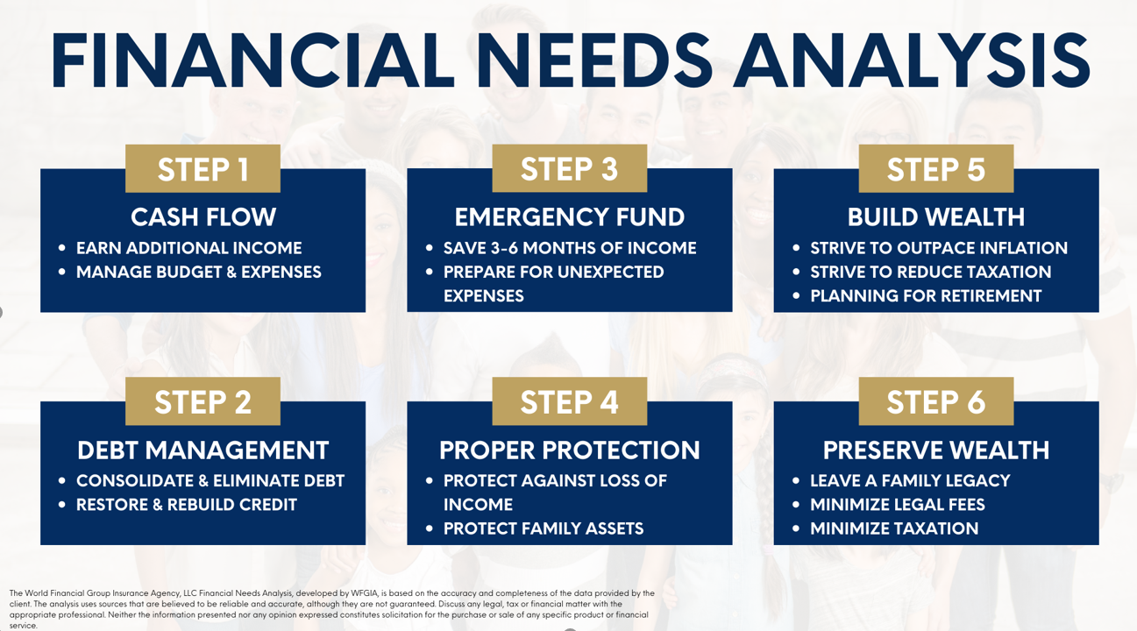 |  |  | Please place a check next to each need you want analysis for

 |  |  | OPTION | STEP 1: Cash Flow
 |  |  | OPTION | STEP 2: Debt Management
 |  |  | OPTION | STEP 3: Emergency Fund
 |  |  | OPTION | STEP 4: Proper Protection
 |  |  | OPTION | STEP 5: Build Wealth
 |  |  | OPTION | STEP 6: Preserve Wealth

CONTACT INFORMATION

Address 1: |  | Address 2:

City: |  | State: |  |  | Zip Code:

Your Email Address: |  | Your Spouse/Other Email Address:

Your Height & Weight: |  | Spouse/Other Height & Weight:

Tobacco User:

 |  |  | The Goals and Dreams content serves as a reference guide in analyzing the current situation and evaluating recommendations. The selections here will display on the print report, but do not at this time affect calculations.

Make a Major Purchase |  |  | Alternative Income in Case of Disability or death

Build Retirement Wealth |  |  | Help Support Aging Parents

Buy a New Home |  |  | Pay-Off Credit Cards/Debts

Build Savings for Unexpected Expenses |  |  | Start a business

Reduce or Pay-Off Mortgage |  |  | Travel

Education Funding |  |  | Other

INCOME

REGULAR INCOME

Owner: | Source: | Gross Amount (Before Taxes): |  |  | Frequency:

Owner: | Source: | Gross Amount (Before Taxes): |  |  | Frequency:

Owner: | Source: | Gross Amount (Before Taxes): |  |  | Frequency:

EXPENSES

AUTO & TRANSPORTATION |  | HOUSEHOLD |  |  | FOOD

Fuel: | $0.00 | Child Care: | $0.00 |  | Dining Out: | $0.00

Insurance: | $0.00 | Cleansing Services: | $0.00 |  | Groceries: | $0.00

Loan / Lease Payment: | $0.00 | Clothing: | $0.00

Parking & Tolls: | $0.00 | Education: | $0.00 |  | HEALTH / MEDICAL

Public Transportation: | $0.00 | Gifts: | $0.00 |  | Insurance Premiums: | $0.00

Service: | $0.00 | Landscape Services: | $0.00 |  | Prescriptions: | $0.00

Other: | $0.00 | Personal Care: | $0.00 |  | Other: | $0.00

 |  | Pet Care: | $0.00

UTILITIES |  | Sports & Lessons: | $0.00 |  | OTHER DEBT SERVICES

Cable: |  |  |  |  | Credit Cards: | $0.00

Electric: |  | MORTGAGE or RENT |  |  | Personal Loans: | $0.00

Gas: |  | Mortgage / Rent: | $0.00 |  | Student Loans: | $0.00

Internet: |  | HOA: | $0.00 |  | Other: | $0.00

Mobile Phones: |  | Homeowners Ins: | $0.00

Phone (Land Line): |  | Principal & Interest: | $0.00 |  | OTHER MONTHLY EXPENSES

Trash Collection: |  | Property Taxes: | $0.00 |  | Alimony: | $0.00

Water: |  | Other: |  |  | Child Support: | $0.00

Other: |  |  |  |  | Subscriptions / Memberships: | $0.00

 |  |  |  |  | Tithe / Charity: | $0.00

 |  |  |  |  | Travel & Entertainment: | $0.00

 |  |  |  |  | Other: | $0.00

PROPER PROTECTION

EXISTING INSURANCE POLICIES

Insured: | Owner: | Beneficiary: | Type: |  | Face Amount: | Current Surrender Value: | Premium: | Premium Mode: | Policy Year: | Provider:

Insured: | Owner: | Beneficiary: | Type: |  | Face Amount: | Current Surrender Value: | Premium: | Premium Mode: | Policy Year: | Provider:

Insured: | Owner: | Beneficiary: | Type: |  | Face Amount: | Current Surrender Value: | Premium: | Premium Mode: | Policy Year: | Provider:

ASSET ACCUMULATION

EMERGENCY FUND

Total Amount of Emergency Fund Needed to Provide for Months:

Current Savings:

Additional Amount of Emergency Funds Needed:

RETIREMENT

Expected Retirement Age For: | CLIENT A | CLIENT B | Include Soc Security:

Life Expectancy Age: | CLIENT A | CLIENT B | Monthly Retirement Need:

Expected Monthly Income During Retirement from Pension and Other Sources: | CLIENT A | CLIENT B

CURRENT SAVINGS
Owner: | Type: | Current Value: | Monthly Additions: |  | For Emergency Fund: | For Retirement:

SUMMARY

At what age would you like to be in a position to retire: |  |  | You:
 |  |  | Spouse / Other:

What is your desired monthly income in retirement |  |  | $0.00

What would this do for you

What is stopping you | HAVING THE RIGHT STRATEGY

If a plan could be put in place to meet all of your financial goals, what amount of money would you be willing to put towards your family’s future monthly?

Comments / Notes

