Financial Needs Analysis
CLIENT A

First Name | Last Name | Date of Birth | Married or Equivalent |  | Phone | Sex
 |  |  | YES

CLIENT B

First Name | Last Name | Date of Birth |  |  | Phone | Sex

DEPENDENTS

First Name | Last Name | Date of Birth | Sex

First Name | Last Name | Date of Birth | Sex

First Name | Last Name | Date of Birth | Sex

First Name | Last Name | Date of Birth | Sex

First Name | Last Name | Date of Birth | Sex

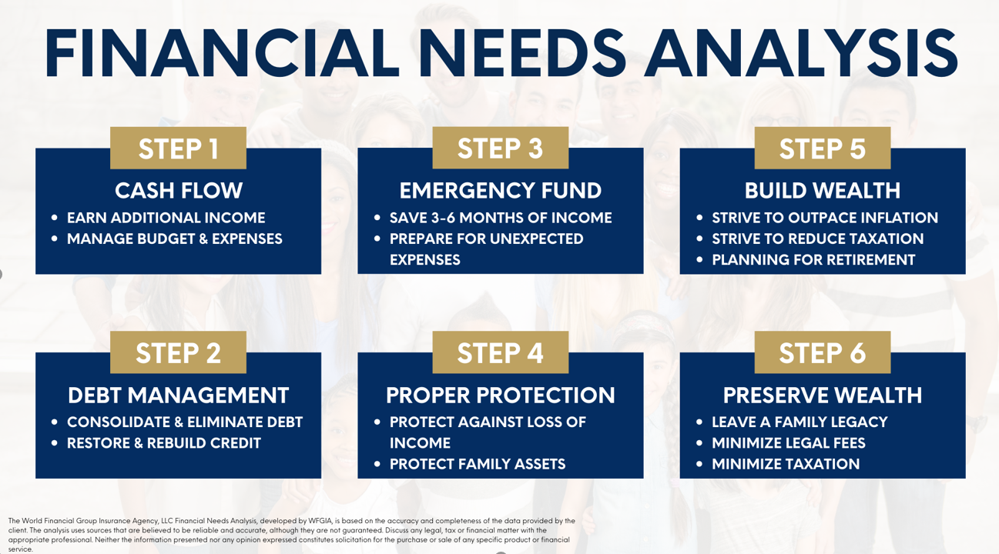
 |  |  | Please place a check next to each need you want analysis for

 |  |  | OPTION | STEP 1: Cash Flow
 |  |  | OPTION | STEP 2: Debt Management
 |  |  | OPTION | STEP 3: Emergency Fund
 |  |  | OPTION | STEP 4: Proper Protection
 |  |  | OPTION | STEP 5: Build Wealth
 |  |  | OPTION | STEP 6: Preserve Wealth

CONTACT INFORMATION

Address 1: |  | Address 2:

City: |  | State: |  |  | Zip Code:

Your Email Address: |  | Your Spouse/Other Email Address:

Your Height & Weight: |  | Spouse/Other Height & Weight:

Tobacco User:

 |  |  | The Goals and Dreams content serves as a reference guide in analyzing the current situation and evaluating recommendations. The selections here will display on the print report, but do not at this time affect calculations.

Make a Major Purchase |  |  | Alternative Income in Case of Disability or death

Build Retirement Wealth |  |  | Help Support Aging Parents

Buy a New Home |  |  | Pay-Off Credit Cards/Debts

Build Savings for Unexpected Expenses |  |  | Start a business

Reduce or Pay-Off Mortgage |  |  | Travel

Education Funding |  |  | Other

INCOME

REGULAR INCOME

Owner: | Source: | Gross Amount (Before Taxes): |  |  | Frequency:

Owner: | Source: | Gross Amount (Before Taxes): |  |  | Frequency:

Owner: | Source: | Gross Amount (Before Taxes): |  |  | Frequency:

EXPENSES

AUTO & TRANSPORTATION |  | HOUSEHOLD |  |  | FOOD

Fuel: |  | Child Care: |  |  | Dining Out:

Insurance: |  | Cleansing Services: |  |  | Groceries:

Loan / Lease Payment: |  | Clothing:

Parking & Tolls: |  | Education: |  |  | HEALTH / MEDICAL

Public Transportation: |  | Gifts: |  |  | Insurance Premiums:

Service: |  | Landscape Services: |  |  | Prescriptions:

Other: |  | Personal Care: |  |  | Other:

 |  | Pet Care:

UTILITIES |  | Sports & Lessons: |  |  | OTHER DEBT SERVICES

Cable: |  |  |  |  | Credit Cards:

Electric: |  | MORTGAGE or RENT |  |  | Personal Loans:

Gas: |  | Mortgage / Rent: |  |  | Student Loans:

Internet: |  | HOA: |  |  | Other:

Mobile Phones: |  | Homeowners Ins:

Phone (Land Line): |  | Principal & Interest: |  |  | OTHER MONTHLY EXPENSES

Trash Collection: |  | Property Taxes: |  |  | Alimony:

Water: |  | Other: |  |  | Child Support:

Other: |  |  |  |  | Subscriptions / Memberships:

 |  |  |  |  | Tithe / Charity:

 |  |  |  |  | Travel & Entertainment:

 |  |  |  |  | Other:

SUMMARY

At what age would you like to be in a position to retire: |  |  | You:
 |  |  | Spouse / Other:

What is your desired monthly income in retirement

What would this do for you

What is stopping you

If a plan could be put in place to meet all of your financial goals, what amount of money would you be willing to put towards your family’s future monthly?

Comments / Notes

